Hiearchy View
Class: DOOR HOLD OPEN DEVICE
a mechanism that enables fire doors to be held open safely and is commonly used to help deal with issues of fire door wedging or improving accessibility | 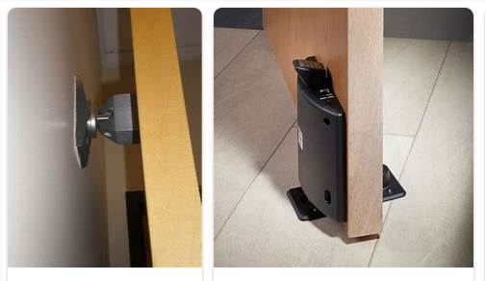
REMOVE | N

PROBLEM_DESC | CAUSE_DESC | REMEDY_DESC
ALARM/SENSOR
BROKEN/DAMAGED
LEAKING
LIGHTING
NOISE
OTHER PROBLEM
OVERHEATING
PESTS
POWER-ELEC
PRESSURE
SMELL
STOPPED/SLOWED/POOR OPS
TEMP-CTRL
VIBRATION
Grand Total

